Φύλλο1
Machinery type | Acronym | Brief description
Crawler excavator | CEXC | Excavation and loading
Wheeled excavator | WEXC | Similar to crawler excavator but lighter
Wheeled backhoe excavator | WBHOE | Excavation and loading
Crawler loader | CWL | Excavation and loading
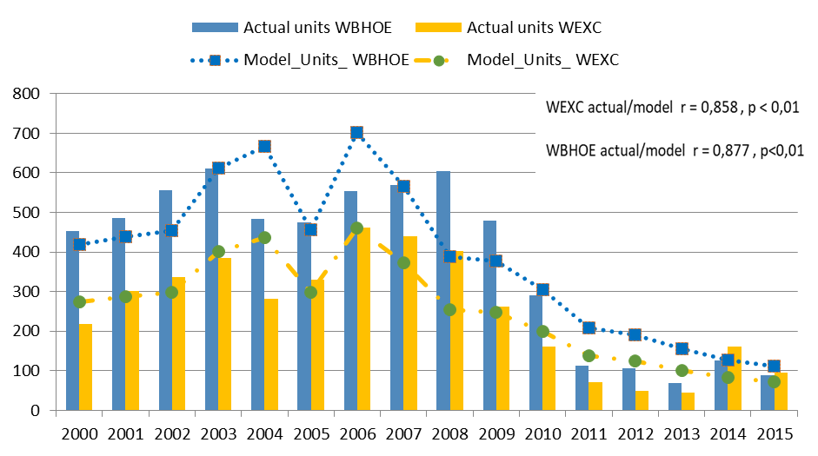
Wheeled loader | WHL | Similar to crawler loader but lighter
Dozer | DOZ | Pushing the material
Grader | GRD | Finishing and shaping
Compactor | COMPT | Compacting the material
Pile hammer | PHAM | Drilling earth for a foundation pier
Dump truck | DT | Dump truck for transporting loose materials and dumping them
Drilling machines | DM | Involved in underground projects such as tunnel excavation

 | Correlation Matrix for Construction Output and Machinery Types
 | Machinery type | r
 |  | (p ≤ 0.01)
 | WHL | 0.76
 | CEXC | 0.42
 | WBHOE | 0.88
 | WEXC | 0.86
 | COMPT | 0.46 |  |  | Relationships between construction output and machinery units
 | CWL | 0.58 |  |  | is formalized by the following mathematical equations:
 | GRD | 0.68
 | DT | 0.55
 | DOZ | 0.13 |  |  |  |  |  |  |  | INSERT CVi |  | NUMBER OF WBHOEi
 | DM | 0.35 |  |  |  |  |  |  |  | 0 |  | 0
 | PHAM | -0.31
 | TOTAL | 0.75
 |  |  |  |  |  |  |  |  |  | INSERT CVi |  | NUMBER OF WEXCi
 |  |  |  |  |  |  |  |  |  | 0 |  | 0

 |  |  |  |  | Where, WBHOEi, WEXCi are the estimated units for wheeled backhoe and wheeled excavator respectively for year i;

 |  |  |  |  | CVi = construction value in year i; and Ce = compounding error adjustment.
 |  | Correlation Matrix for Machinery Licensed Units 2000-2015 by Type
 |  |  | CEXC | WEXC | WBHOE | CWL | WHL | DOZ | GRD | COMPT | PHAM | DT | DM
 |  | CEXC | 1
 |  | WEXC | 0.731** | 1
 |  | WBHOE | 0.618* | 0.940** | 1
 |  | CWL | 0.746** | 0.825** | 0.772** | 1
 |  | WHL | 0.887** | 0.949** | 0.887** | 0.831** | 1
 |  | DOZ | 0.748** | 0.416 | 0.399 | 0.619* | 0.541* | 1
 |  | GRD | 0.399 | 0.707** | 0.857** | 0.674** | 0.628** | 0.471 | 1
 |  | COMPT | 0.781** | 0.749** | 0.736** | 0.905** | 0.795** | 0,693** | 0,689** | 1
 |  | PHAM | -0.145 | -0.396 | -0.385 | -0.279 | -0.322 | 0.035 | -0.33 | -0.314 | 1
 |  | DT | 0.756** | 0.700** | 0.700** | 0.726** | 0.792 | 0,655** | 0,586* | 0,771** | -0.322 | 1
 |  | DM | 0.681** | 0.630** | 0.644 | 0.800** | 0.695** | 0,629** | 0,662** | 0,851** | -0.471 | 0,664** | 1
 |  | **p ≤ 0.01
 |  | *p ≤ 0.05

